Overview-Curbside
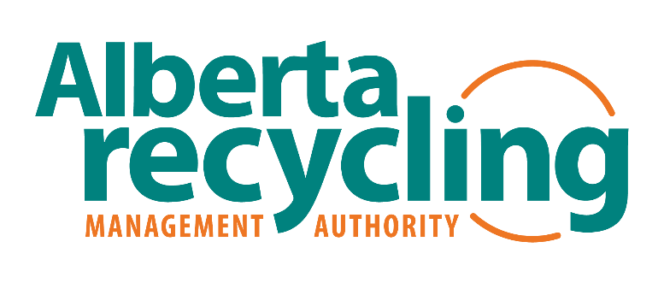
EPR Transition Planning Tool Overview

EPR Transition Planning - CORPORATION OF THE CITY OF FROSTVIEW (SAMPLE)

This Extended Producer Responsibility (EPR) planning tool is to guide the CITY OF FROSTVIEW in determining how it will transition responsibilities for PPP and HSP to Producers under Extended Producer Responsibility Regulation AR 194/2022. The tool helps to assess what will be changing in the Community's waste management system. It can be used to develop potential scenarios that result from the EPR transition, which can then be compared to the current system. The process enables the Community to document risks, benefits, transition activities and costs for each scenario. This information will guide decision making on a preferred approach and be used to develop a transition plan.

Scenario Name | Overview of Future State Waste Management System | Description | Assumptions/Limitations
Scenario 1 No EPR Services | Community no longer provides any services for EPR system materials to any customer. Residential customers receive services from PRO and IC&I responsible for seeking out service providers. | At transition date (April 1, 2025) , services for EPR materials are no longer provided to any customer. Contracts for EPR services are terminated. Monitoring to ensure EPR materials are being diverted. All other waste management services continue. Continue to provide P&E on waste management programs | Assumptions: -Diversion of residential EPR materials will continue at current levels or improve. -Recyclable material from ineligible sources (ICI, City Facilities, Depots) may not be diverted and quantity of garbage may increase. -Staff time (1.75 FTE) spent on EPR services will be reallocated to other waste management programs and activities. -Staff time in other business units (customer service, parks) will be reallocated to other activities -Facilities/Equipment - carts will remain with customers (i.e., stranded assets); depot bins/bays will be used for other divertable materials. Limitations/Qualifications: EPR Service Standards and Procedures to be released in early April 2024 Change will require Council approval
Scenario 2 EPR Service Provider | Community acts as a contracted service provider to the PRO for residential customers for EPR system materials. Other recycling services are maintained. | At transition date (April 1, 2025) , services for EPR materials continue without any changes. Community enters into contract with PRO to provide EPR services for residential customers. Contracts for EPR services are maintained. Recycling services provided to non-eligible customers are tracked. All other waste management services continue. Continue to provide P&E on waste management programs and receive funding from PROs to promote EPR system materials. | Assumptions: -Diversion of residential EPR materials will continue at current levels or improve. -Community is fully compensated for costs related to EPR materials from residential sources. -Community can meet PRO contract requirements. -No changes in service levels or materials collected for residential customers, -No changes for staffing, contracts, facilities and equipment -Minor changes to business processes (reporting and tracking for PRO will be a new process). -Community is able to identify costs for EPR materials/services provided to non-residential customers. Limitations/Qualifications: EPR Service Standards and Procedures to be released in early April 2024 EPR Common collection system may affect list of acceptable materials Current recycling contract ends November 30, 2027 Change will require Council approval
Scenario 3 Depot EPR Service Provider | Community acts as a contracted service provider to the PRO for residential depot customers for EPR system materials. Residential collection is provided by the PRO. Other recycling services are maintained. | At transition date (April 1, 2025) , services for EPR materials continue at depots for all customers. Community enters into contract with PRO to provide EPR depot services for residential customers. Residential recycling collection is no longer provided by the Community, and other residential waste management services continue. Waste management and recycling services for non-eligible customers continue. Recycling services provided to non-eligible depot customers are tracked. Continue to provide P&E on waste management programs. | Assumptions: -Diversion of residential EPR materials will continue at current levels or improve. -Community is fully compensated for depot costs related to EPR materials from residential sources. -Community can meet PRO contract requirements. -Staff time (1.75 FTE) spent on EPR collection services will be reallocated to other waste management programs and activities. -Staff time in other business units (customer service, parks) will be reallocated to other activities -Facilities/Equipment - carts will remain with customers (i.e., stranded assets). Limitations/Qualifications: EPR Service Standards and Procedures to be released in early April 2024 Change will require Council approval

Abbreviations
Community | Community authorities including municipalities, First Nations Reserves, Métis Settlements, municipal corporations and regional waste service commissions responsible for providing waste management services for its residents.
Curbside Residential | Single-family dwellings as defined in Extended Producer Responsibility Regulation AR 194/2022 receiving curbside collection from the Community
Drop-off Depot | Community operated depot that accepts waste materials from residents, may include PPP from single-family dwellings and HSP
EPR | Extended Producer Responsibility
GHG | Greenhouse Gas
HSP | Hazardous and Special Products as defined in Extended Producer Responsibility Regulation AR 194/2022
IC&I | Industrial, Commercial & Institutional
Multi-Residential | Multiple-family dwellings as defined in Extended Producer Responsibility Regulation AR 194/2022 receiving collection from the Community
PPP | Single-use products, packaging and paper products as defined in Extended Producer Responsibility Regulation AR 194/2022
PRO | Producer Responsibility Organization
P&E | Promotion and Education

This Tool was developed by Dillon Consulting Ltd. (2024) for presentation to Alberta Recycling Management Authority (ARMA) Community EPR Transition Planning Workshops.

