Overview
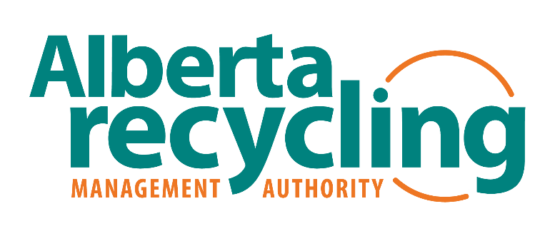
EPR Transition Planning Tool Overview

EPR Transition Planning - NAME OF COMMUNITY

This Extended Producer Responsibility (EPR) planning tool is to guide the COMMUNITY NAME in determining how it will transition responsibilities for PPP and HSP to Producers under Extended Producer Responsibility Regulation AR 194/2022. The tool helps to assess what will be changing in the Community's waste management system. It can be used to develop potential scenarios that result from the EPR transition, which can then be compared to the current system. The process enables the Community to document risks, benefits, transition activities and costs for each scenario. This information will guide decision making on a preferred approach and be used to develop a transition plan.

Scenario Name | Overview of Future State Waste Management System | Description | Assumptions/Limitations
Scenario 1 Short Name | Short Description of Scenario 1 | Full description of Future State system and services that will be provided for the scenario | List any assumptions that are being made and any limitations or qualifications for the described Future State system
Scenario 2 Short Name

Abbreviations
Community | Community authorities including municipalities, First Nations Reserves, Métis Settlements, municipal corporations and regional waste service commissions responsible for providing waste management services for its residents.
Curbside Residential | Single-family dwellings as defined in Extended Producer Responsibility Regulation AR 194/2022 receiving curbside collection from the Community
Drop-off Depot | Community operated depot that accepts waste materials from residents, may include PPP from single-family dwellings and HSP
EPR | Extended Producer Responsibility
GHG | Greenhouse Gas
HSP | Hazardous and Special Products as defined in Extended Producer Responsibility Regulation AR 194/2022
IC&I | Industrial, Commercial & Institutional
Multi-Residential | Multiple-family dwellings as defined in Extended Producer Responsibility Regulation AR 194/2022 receiving collection from the Community
PPP | Single-use products, packaging and paper products as defined in Extended Producer Responsibility Regulation AR 194/2022
PRO | Producer Responsibility Organization
P&E | Promotion and Education

This Tool was developed by Dillon Consulting Ltd. (2024) for presentation to Alberta Recycling Management Authority (ARMA) Community EPR Transition Planning Workshops.

